Sheet1
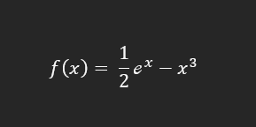

toleransi kesalahan = es = 2%
xi = 1
xu = 3
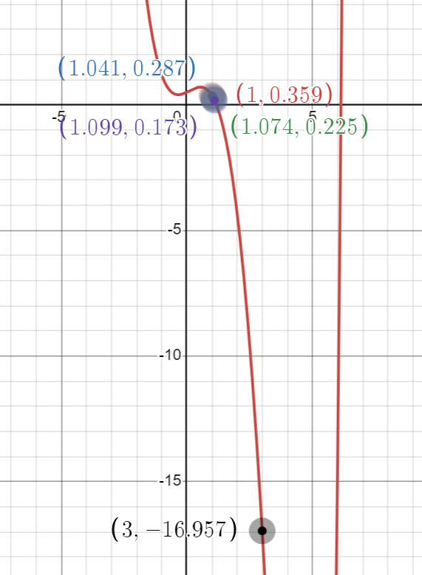
 | error (%)
 | 3.03512
 | 2.28968
 | 1.71329
iterasi | xi | xu | xr | f(xi) | f(xu) | f(xr) | kondisi | error (%)
1 | 1 | 3 | 1.04148 | 0.35914 | -16.95725 | 0.28703 | >0
2 | 1.04148 | 3 | 1.07408 | 0.28703 | -16.95725 | 0.22454 | >0 | 3.03512
3 | 1.07408 | 3 | 1.09925 | 0.22454 | -16.95725 | 0.17268 | >0 | 2.28968
4 | 1.09925 | 3 | 1.11841 | 0.17268 | -16.95725 | 0.13104 | selesai | 1.71329

Lagrange
data
x | 1 | 2 | 3 | 4 | 5 | 6 | 7 | 8
f(x) | 3.47 | 3.55 | ? | 4.94 | 4.69 | 5.95 | 5.71 | 5.42

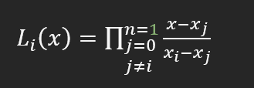

interpolasi lagrange orde 1
X0 = 2, nilai f(x0) = 3.55
X1 = 4 nilai f(x1) = 4.94

L0 | 0.5
L1 | 0.5
f1(x) | 4.245

interpolasi lagrange orde 2
x0 = 1 nilai f(x0) = 3.47
x1 = 2 nilai f(x1) = 3.55
x2 = 4 nilai f(x2) = 4.94

L0 | -0.33333333333
L1 | 1
L2 | 0.33333333333
f2(x) | 4.04

interpolasi lagrange orde 3
x0 = 1 nilai f(x0) = 3.47
x1 = 2 nilai f(x1) = 3.55
x2 = 4 nilai f(x2) = 4.94
x3 = 5 nilai f(x3) = 4.69

L0 | -0.16666666667
L1 | 0.66666666667
L2 | 0.66666666667
L3 | -0.16666666667
f3(x) | 4.3

interpolasi lagrange orde 4
x0 = 1 nilai f(x0) = 3.47
x1 = 2 nilai f(x1) = 3.55
x2 = 4 nilai f(x2) = 4.94
x3 = 5 nilai f(x3) = 4.69
x4=6 nilai f(x4) = 5.95

L0 | -0.1
L1 | 0.5
L2 | 1
L2 | -0.5
L3 | 0.1
f4(x) | 4.618

